Metadata
Series | Definition | Source | Note
Reduction in income inequality before and after tax | This is the percentage difference between the Gini coefficient before taxes and benefits and the Gini coefficient after taxes and benefits. Income has been equivalized – adjusted to account for the fact that people in the same household can share costs like rent and heating. The entire population of each country is considered, and also the income definition is the newest from the OECD since 2012. For more information on the methodology, visit the OECD Income Distribution Database (IDD). Survey estimates for 2020 are subject to additional uncertainty and are to be treated with extra caution, as in most countries the survey fieldwork was affected by the Coronavirus (COVID-19) pandemic. Reductions relate to percent, not percentage points i.e., a reduction in the Gini from 0.4 to 0.3 gives a value of 25%. Income has been equivalized. | OECD Income Distribution Database (2023) - with minor processing by Our World in Data. | Equivalization is a statistical technique used in household income surveys to allow for fairer comparisons in living standards between households of different sizes or age compositions. With each additional member, a household's needs grow but – due to economies of scale in consumption – not in a proportional way. A household with three members does not need three times the housing space, electricity, heating etc. as a single-person household to achieve the same standard of living. In the process of equivalization, each household's actual income level is scaled up or down to find the “equivalent” income that would be needed for a given standard household size to achieve that same standard of living. This requires making assumptions about the economies of scale in household consumption, and different 'equivalence scales' for making such an adjustment are in common use.
Gini coefficient | The Gini coefficient is the most commonly used measure of inequality. It is typically used as a measure of income inequality, but it can be used to measure the inequality of any distribution – such as the distribution of wealth, or even life expectancy. It measures inequality on a scale from 0 to 1, where higher values indicate higher inequality. This can sometimes be shown as a percentage from 0 to 100%, this is then called the ‘Gini Index’. A value of 0 indicates perfect equality – where everyone has the same income. A value of 1 indicates perfect inequality – where one person receives all the income, and everyone else receives nothing. | OECD Income Distribution Database (2023) - with minor processing by Our World in Data.
Income inequality: Gini coefficient before and after tax | Inequality is measured here in terms of the Gini coefficient of income before taxes and after taxes. After tax: The Gini coefficient measures inequality on a scale from 0 to 1. Higher values indicate higher inequality. Income is ‘post-tax’ — measured after taxes have been paid and most government benefits have been received. Income has been equivalized – adjusted to account for the fact that people in the same household can share costs like rent and heating. The entire population of each country is considered, and also the income definition is the newest from the OECD since 2012. For more information on the methodology, visit the OECD Income Distribution Database (IDD). Survey estimates for 2020 are subject to additional uncertainty and are to be treated with extra caution, as in most countries the survey fieldwork was affected by the Coronavirus (COVID-19) pandemic. | OECD Income Distribution Database (2023) - with minor processing by Our World in Data.

Site | Link
Our World in Data article | Joe Hasell (2023) - “Income inequality before and after taxes: How much do countries redistribute income?” Published online at OurWorldInData.org. Retrieved from: 'https://ourworldindata.org/income-inequality-before-and-after-taxes' [Online Resource]

The extent of income redistribution in different countries
The following charts take a look across countries using similar data from another source.3 The following scatter chart shows the before-tax and after-tax Gini coefficient in different countries against each other. Three diagonal lines are shown for reference. Along the top ‘No reduction’ line, inequality does not change after redistribution. The further a country falls below this line, the greater the reduction in inequality seen after taxes and benefits. Along the middle reference line, the Gini falls by a third; along the bottom line, it falls by one-half. We see some correlation between countries’ levels of before-tax and after-tax income inequality. Countries with the highest before-tax inequality tend to be among those with the highest after-tax inequality. However, the chart also shows the large variation in the extent of redistribution governments achieve through taxes and benefits. Countries as diverse as Belgium, Spain, Japan, the US, Turkey, and Chile all have a similar degree of inequality before taxes – a Gini coefficient around 0.5. But they achieve very different levels of redistribution. In Chile, taxes and benefits reduce inequality only slightly. In the US, the Gini falls by around a fifth. In Japan, it falls by around a third. In Belgium, inequality is reduced by almost half. Although before-tax inequality is similar in these countries, their levels of after-tax inequality are very different.

What the gap between before-tax and after-tax income inequality can and cannot tell us
It is important to bear in mind that the before-tax distribution of income is already the result of choices made by individuals who take taxes and benefits into consideration. Although before-tax income is sometimes referred to as ‘market income’, it would be wrong to think the way it is distributed reflects market forces alone, as if no government tax-and-benefits policies existed. You may, for example, be reluctant to increase your working hours if you know that doing so would put you in a different tax bracket. While the change in inequality before and after tax gives us a measure of the extent of government redistribution, it does not tell us the total reduction in inequality caused by this redistribution. Pensions provide another stark example. In the data above, public pensions are considered part of the redistribution achieved by governments; private pensions are not.5 The incomes of individuals receiving a public pension will, of course, be lower before counting these payments; but it is not the case that their incomes would be equally low if they lived in a country with no public pension scheme: in this scenario, many of these people would have had private pensions instead. Another example can be found in the work of Thomas Piketty, Emmanuel Saez, and Stefanie Stancheva (2014), who point to evidence that decreasing top marginal tax rates incentivizes top earners, like CEOs, to bargain more aggressively for higher remuneration, thereby increasing pre-tax wage inequality.6 More generally, taxes and benefits can affect people’s incentives and opportunities in a number of ways that can shape market outcomes.7 It is also not the case that all redistributive taxes and benefits are reflected in this data. Indirect taxes, such as VAT, are not deducted when measuring after-tax income. VAT is a tax on consumption, and because poorer people spend a higher share of their income on average (or save a lower share), some consider such taxes to increase inequality.8 Conver

Taxes affect market prices, so the statutory burden of a tax does not describe who really bears the tax | How much taxes do rich households pay in the US?
Taxes affect economic interactions by changing the relative prices of goods and services in the economy. This implies that, to assess who bears the burden of a tax, it is not sufficient to look at statutory tax rates. For example, if a tax is imposed on producers, in a competitive market they will raise prices to some extent to offset this tax burden – so the producers’ income will not fall by the full amount of the tax. A similar argument can be made if the tax is levied on consumers, since in a market economy the tax will lower demand, and this will have a consequence also for producers. The key point is that, in order to analyze the economic incidence of taxation in a market economy, we need to look beyond statutory tax rates. Below we provide concrete examples of how economists try to estimate the economic incidence of taxation. | In the US, the Congressional Budget Office (CBO) produces estimates of the incidence of taxation across the population. To do this, they make the following assumptions: (i) Taxes on earnings are borne by workers; (ii) Taxes on individual income are borne by the households that pay them; (iii) Taxes on corporate income are borne by individuals in proportion to their capital income; (iv) Taxes on consumption are borne by individuals in proportion to their consumption. Based on these assumptions, the CBO calculates total tax contributions as a share of pre-tax income for different segments of the pre-tax income distribution. These estimates, often referred to as 'average tax rates', can be interpreted as the effective rates of taxation that apply to individuals with different incomes, after accounting for government transfers (specifically cash payments and in-kind benefits from social insurance and other government assistance programs). The visualization, plotting CBO estimates of average tax rates, shows that the federal tax system in the US has been generally progressive: those located higher in the ranking of incomes, pay a higher share of their income in taxes. Across time, we can also see that progressivity has not been constant – the period 1980-1990 saw important reductions in tax rates for the rich, without comparable reductions for the poor. The hike in tax rates towards the end corresponds primarily to significant changes in tax rules in 2012. Up until that point, and since around 1995, tax rates for the richest 1% went down every year (although they also went down for the lower income groups in the same period).

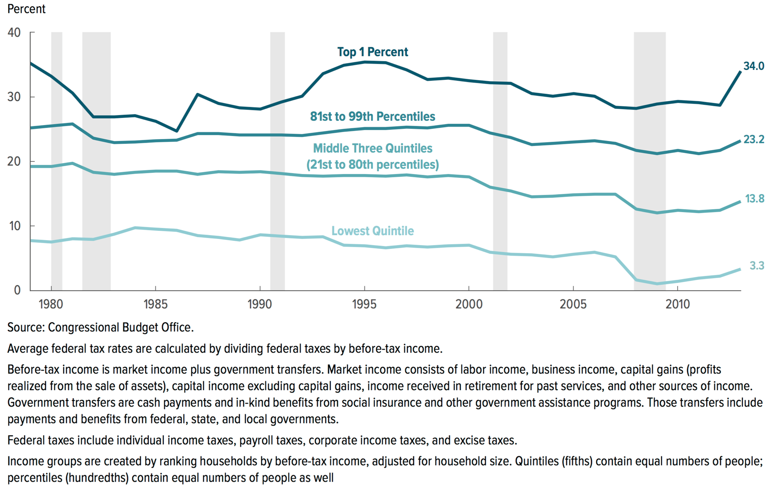

How progressive is taxation at the top of the income distribution in developed countries?
The visualization above shows that, according to the estimates from the Congressional Budget Office, richer individuals in the US generally tend to bear a larger burden of taxation than the poor. Here we examine whether this is also true within the top of the income distribution – that is, whether the 'ultra rich' shoulder a larger tax burden than the 'rich'. The next visualisation, from Piketty and Saez (2007)15 shows estimated average tax rates in France, the US and the UK, at two points in time: 1970 and 2005. Notice that these are average rates (i.e. total tax contributions as a share of pre-tax income), which are different to marginal tax rates. Displayed are rates for the bottom 90% of the income distribution, as well as higher percentiles. Again, we can see in these estimates that the systems in question are progressive – increasingly higher percentiles in the income distribution pay increasingly higher effective rates of taxation. However, the lines are much flatter in 2005, which shows that the systems have become less progressive at the top: the average share of income paid by those at the very top of the income distribution has dropped substantially since 1970. This is important because, as the authors of the figure point out, over the same period pre-tax income inequality grew significantly: a few very rich individuals at the very top are accumulating an increasingly large share of national incomes.

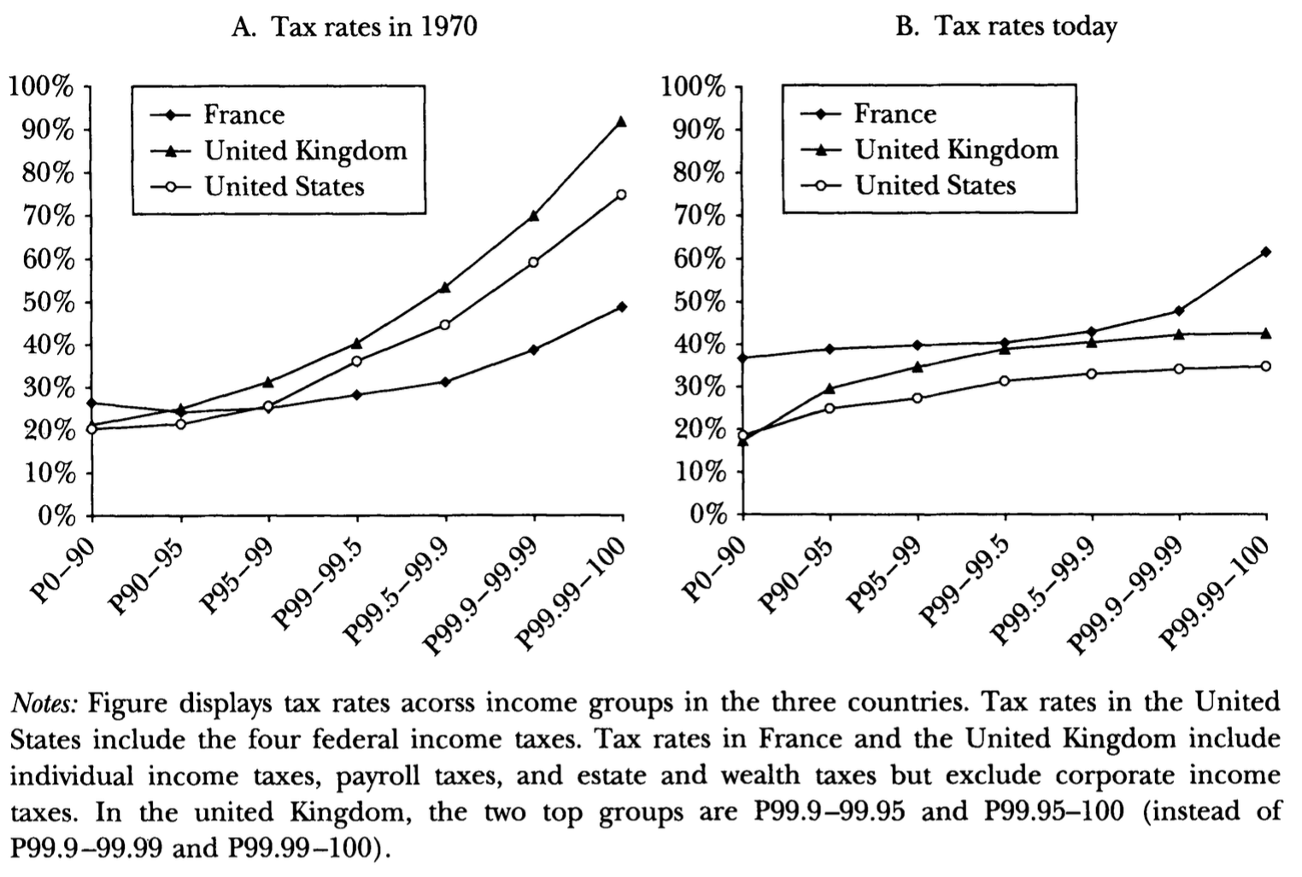

Taxation is an important instrument to reduce inequality | Taxation can lead to efficiency losses
One way to gauge the extent to which taxation redistributes resources between individuals in a country, is by looking at how the distributions of incomes change before and after taxes. The visualization does this, showing the reduction of inequality that different OECD countries achieve through taxes and transfers. The estimates correspond to the percentage point reduction in inequality, as measured by changes in the Gini coefficients of income, before and after taxes and transfers. The source for the data is the 2016 OECD Inequality Update as part of the OECD Income Distribution Database (IDD) November 2016 Release: Income inequality remains high in the face of weak recovery. The IDD provides further details regarding how these estimates are constructed. In a nutshell, income 'before taxes' corresponds to what is usually known as market income (wages and salaries, self-employment income, capital and property income); while income after taxes and transfers corresponds to disposable income (market income, plus social security, cash transfers and private transfers, minus income taxes). The data shows that across the 35 countries covered, taxes and transfers lower income inequality by around one-third on average (equivalent to around 0.15 Gini points). Yet cross-country differences are substantial, with declines ranging from about 40% in Denmark and Ireland, to about 8% in South Korea. The US – a country with high baseline levels of inequality – achieves a reduction of around 17%, which is a little over half of the OECD average. Generally speaking, countries that achieve the largest redistribution through taxes and transfers tend to be those with the lowest after-tax inequality. While informative for the purpose of cross-country comparisons, these results have to be interpreted carefully, since the before-tax distribution of incomes is already the result of choices made by individuals who take taxes and transfers into consideration. Put simply, the before-tax distribut | In market economies, consumers and producers change their behavior in response to taxes. For example, if a taxed good has a substitute that is not taxed, some consumers will shift to the substitute to avoid the tax. These changes in behavior can lead to inefficiencies. For example, high tax rates may discourage labor supply; and in the case of very rich individuals, they may even induce migration of talent to countries where the tax burden is lower. In both cases, the 'size of the pie' would be reduced by taxation. So how large are these behavioral responses? Using data from the European football market, Kleven et al (2013)19 find evidence of strong mobility responses to taxation for 'superstars'. The scatterplots support this. The two plots correspond to different time periods. The vertical axis represents the fraction of all top-league professional football players who are foreign nationals in the country where they play, and the horizontal axis shows the average top earnings tax rate for foreign players in that country. As we can see, in the period 1985-1995 there was no correlation between migration and tax rates; yet in the period 1996-2008, after the Bosman ruling on free mobility was enacted, the correlation became strongly negative: the countries with higher top earnings tax rates became less likely to have foreign players. The authors also show that the mobility of players had a negative impact on the performance of football clubs of countries with high tax rates. This evidence, suggesting that 'superstars' are very responsive to taxation, contrasts with the available evidence for typical individuals – while still highly debated, most empirical estimates suggest that for the majority of the population, labor supply choices are not very responsive to changes in income tax rates (see Saez et al. 201221 for a review of the literature).

Charts
Reduction in Gini Coefficient Percentage of Reduction between Before and After Tax - EU15 Countries and US - 2019
 | 2019 - Percentage reduction in Gini coefficient (before vs. after tax)
Finland | 47%
Belgium | 46%
France | 44%
Austria | 44%
Ireland | 42%
Germany | 40%
Greece | 40%
Denmark | 40%
Portugal | 39%
Luxembourg | 38%
Italy | 36%
Sweden | 35%
Spain | 35%
Netherlands | 32%
United Kingdom | 28%
United States | 22%

Source: OECD Income Distribution Database (2023) - with minor processing by Our World in Data. Definition: The Gini coefficient is the most commonly used measure of inequality. It measures inequality on a scale from 0 to 1, where higher values indicate higher inequality. This can sometimes be shown as a percentage from 0 to 100%, this is then called the ‘Gini Index’. A value of 0 indicates perfect equality – where everyone has the same income. A value of 1 indicates perfect inequality – where one person receives all the income, and everyone else receives nothing. Note on Countries: EU15 includes: Austria, Belgium, Denmark, Finland, France, Germany, Greece, Ireland, Italy, Luxembourg, Netherlands, Portugal, Spain, Sweden and United Kingdom. Note on Measurement: The reduction in Gini coefficient is the percentage difference between the Gini coefficient before taxes and benefits and the Gini coefficient after taxes and benefits. Income has been equivalized – adjusted to account for the fact that people in the same household can share costs like rent and heating. Reductions relate to percent, not percentage points i.e., a reduction in the Gini from 0.4 to 0.3 gives a value of 25%. Note on Equivalization: Equivalization is a statistical technique used in household income surveys to allow for fairer comparisons in living standards between households of different sizes or age compositions. With each additional member, a household's needs grow but – due to economies of scale in consumption – not in a proportional way. A household with three members does not need three times the housing space, electricity, heating etc. as a single-person household to achieve the same standard of living. In the process of equivalization, each household's actual income level is scaled up or down to find the “equivalent” income that would be needed for a given standard household size to achieve that same standard of living. This requires making assumptions about the economies of scale in household consumption, and different 'equivalence scales' for making such an adjustment are in common use.

